Logistic Regr
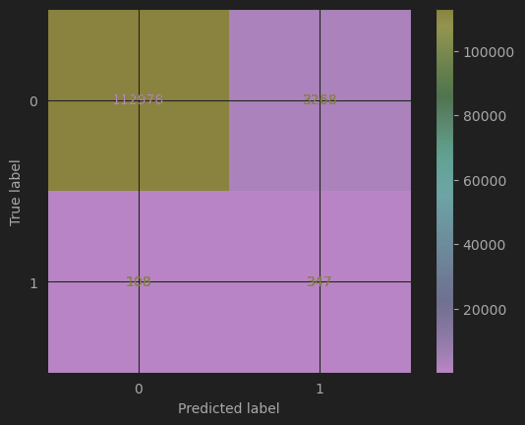
Sampler: | SMOTE
Trail # | C (lambda) | transformation | regularization | train accuracy | train precision | train recall | train loss | val accuracy | val precision | val recall | val loss | coef_set
1 | 0.1 | non | l2 | 0.846410890633 | 0.921275832698 | 0.757555874211 | 5.535912622371 | 0.935261908638 | 0.045338114754 | 0.778021978022 | 2.333397326114 | [[-0.3486784 1.2242774 -0.18832562 -0.11549192 -0.40673081 -0.22151022 0.07199571 0.02379311]]
2 | 1 | non | l2 | 0.846405361270 | 0.921263442909 | 0.757555874211 | 5.536111920806 | 0.935236201918 | 0.045320701575 | 0.778021978022 | 2.334323890240 | [[-0.34872444 1.22448882 -0.18837804 -0.11548096 -0.40689022 -0.22156088 0.07202366 0.02378259]]
3 | 0.5 | non | l2 | 0.846407204391 | 0.921271349801 | 0.757552187969 | 5.536045487994 | 0.935244770825 | 0.045326504481 | 0.778021978022 | 2.334015035531 | [[-0.34873806 1.22446473 -0.18837544 -0.11550323 -0.40702015 -0.22154277 0.07201276 0.02374646]]
4 | 1.5 | non | l2 | 0.846401675028 | 0.921255183234 | 0.757555874211 | 5.536244786429 | 0.935236201918 | 0.045320701575 | 0.778021978022 | 2.334323890240 | [[-0.34872608 1.22446431 -0.18835541 -0.11549716 -0.40692072 -0.2215521 0.07203375 0.0237874 ]]
5 | 2 | non | l2 | 0.846407204391 | 0.921267572802 | 0.757555874211 | 5.536045487994 | 0.935236201918 | 0.045320701575 | 0.778021978022 | 2.334323890240 | [[-0.34874503 1.22451523 -0.18832014 -0.11548859 -0.40690957 -0.22156911 0.0720045 0.02381362]]
6 | 0.1 | non | l1 | 0.846425635600 | 0.921308873766 | 0.757555874211 | 5.535381159879 | 0.935321890986 | 0.045378797590 | 0.778021978022 | 2.331235343151 | [[-0.3484691 1.22434345 -0.18814455 -0.11522863 -0.40644994 -0.22137369 0.07183475 0.0236039 ]]
7 | 1 | non | l1 | 0.846409047512 | 0.921271702731 | 0.757555874211 | 5.535979055183 | 0.935253339731 | 0.045332308874 | 0.778021978022 | 2.333706180823 | [[-0.34868111 1.22440905 -0.18833664 -0.11555774 -0.40687874 -0.22153067 0.07202279 0.02375778]]
8 | 0 | non | non | 0.846405361270 | 0.921263442909 | 0.757555874211 | 5.536111920806 | 0.935244770825 | 0.045326504481 | 0.778021978022 | 2.334015035531 | [[-0.3487348 1.22452928 -0.18838777 -0.11549826 -0.40692613 -0.22157575 0.07202782 0.02374772]]
9 | 0.1 | poly, power=2 | l2 | 0.851892332248 | 0.962787360501 | 0.732080256857 | 5.338341440711 | 0.971071370425 | 0.095988934993 | 0.762637362637 | 1.042693497414 | [[-2.04533553e-02 -7.70651926e-03 4.91965193e-02 -4.00745365e-03 -3.45809318e-03 -3.41406037e-03 -7.83846706e-03 2.36439287e-03 -4.53434580e-04 -3.14163641e-02 8.08793938e-03 -2.12764111e-05 -2.11753581e-05 6.55997378e-04 7.37793555e-04 1.77750802e-03 1.29609929e-04 1.03248727e-01 2.66271111e-03 -5.67833776e-03 -5.06752327e-03 -9.17547900e-03 5.73921730e-03 -5.72046708e-04 -2.13432049e-02 2.75912116e-03 3.26817175e-04 5.00735982e-03 7.51260568e-04 9.87348935e-04 -2.48580921e-02 6.16503961e-04 -7.47552795e-04 -6.10362092e-03 -1.39256719e-03 -3.01751800e-02 2.05290840e-03 4.82878609e-03 4.13100760e-04 -2.93055293e-02 1.96875975e-03 -3.83981337e-03 -2.29595622e-02 -2.82465655e-03 -1.97142432e-02]]
10 | 1 | poly, power=2 | l2 | 0.851879430402 | 0.962772636264 | 0.732065511890 | 5.338806470392 | 0.971071370425 | 0.095988934993 | 0.762637362637 | 1.042693497414 | [[-2.04458980e-02 -7.70017875e-03 4.92456452e-02 -4.00850393e-03 -3.45736210e-03 -3.41129172e-03 -7.83664742e-03 2.35754208e-03 -4.51012208e-04 -3.14117274e-02 8.13824748e-03 -2.05097406e-05 -2.25440061e-05 6.58916232e-04 7.34196624e-04 1.77238546e-03 1.34809946e-04 1.03221678e-01 2.66681730e-03 -5.68218484e-03 -5.05577923e-03 -9.18678459e-03 5.72880178e-03 -5.75959913e-04 -2.13360148e-02 2.76643543e-03 3.25713253e-04 5.00357721e-03 7.51403558e-04 9.91990848e-04 -2.48493155e-02 6.15565498e-04 -7.45531387e-04 -6.10380341e-03 -1.39203004e-03 -3.01637065e-02 2.05270729e-03 4.83144642e-03 4.11164352e-04 -2.92995818e-02 1.96765158e-03 -3.84069681e-03 -2.29589484e-02 -2.82248402e-03 -1.97192706e-02]]
11 | 0.1 | poly, power=2 | l1 | 0.851892332248 | 0.962773899554 | 0.732091315583 | 5.338341440711 | 0.971071370425 | 0.095988934993 | 0.762637362637 | 1.042693497414 | [[-2.04443018e-02 -7.70654310e-03 4.92059354e-02 -4.00507019e-03 -3.45646551e-03 -3.40939238e-03 -7.82861684e-03 2.35509206e-03 -4.56401742e-04 -3.14058538e-02 8.09279052e-03 -1.73358969e-05 -1.64896863e-05 6.51597759e-04 7.32732860e-04 1.76888398e-03 1.32789196e-04 1.03240835e-01 2.66371934e-03 -5.67269214e-03 -5.05426221e-03 -9.17453834e-03 5.71448514e-03 -5.79495809e-04 -2.13346857e-02 2.76022359e-03 3.19517948e-04 5.00287835e-03 7.46528508e-04 9.88858522e-04 -2.48477628e-02 6.17524823e-04 -7.42699786e-04 -6.09716930e-03 -1.38702965e-03 -3.01627296e-02 2.05204217e-03 4.82941283e-03 4.15385704e-04 -2.92960410e-02 1.96902166e-03 -3.83578383e-03 -2.29519346e-02 -2.82188303e-03 -1.97012669e-02]]
12 | 1 | poly, power=2 | l1 | 0.851886802886 | 0.962764384505 | 0.732087629341 | 5.338540739146 | 0.971062801518 | 0.095962389381 | 0.762637362637 | 1.043002352123 | [[-2.04454601e-02 -7.70233279e-03 4.92279757e-02 -4.00203476e-03 -3.46121464e-03 -3.41206284e-03 -7.83694104e-03 2.36051558e-03 -4.52911487e-04 -3.14076639e-02 8.12428482e-03 -1.40410452e-05 -2.06755924e-05 6.49856275e-04 7.33567536e-04 1.77583947e-03 1.37880238e-04 1.03228422e-01 2.67718527e-03 -5.68339533e-03 -5.06004795e-03 -9.18517103e-03 5.73391775e-03 -5.85253294e-04 -2.13344121e-02 2.76404845e-03 3.23918707e-04 5.00198884e-03 7.56130281e-04 9.92725515e-04 -2.48473342e-02 6.15062839e-04 -7.46906031e-04 -6.10414271e-03 -1.38783487e-03 -3.01647119e-02 2.05366937e-03 4.83018231e-03 4.15440166e-04 -2.92960322e-02 1.97136573e-03 -3.84444035e-03 -2.29536782e-02 -2.82742552e-03 -1.97101777e-02]]
13 | 0 | poly, power=2 | non | 0.851877587281 | 0.962767968818 | 0.732065511890 | 5.338872903204 | 0.971071370425 | 0.095988934993 | 0.762637362637 | 1.042693497414 | [[-2.04510794e-02 -7.70796814e-03 4.92022528e-02 -4.01039296e-03 -3.45658430e-03 -3.41508275e-03 -7.83207884e-03 2.35626758e-03 -4.54119838e-04 -3.14183234e-02 8.08680912e-03 -2.06964684e-05 -2.37195463e-05 6.59934240e-04 7.32786907e-04 1.77514571e-03 1.30148635e-04 1.03249117e-01 2.66058545e-03 -5.66413590e-03 -5.05926998e-03 -9.17368381e-03 5.71736904e-03 -5.85428736e-04 -2.13415404e-02 2.76162092e-03 3.22992281e-04 5.00216156e-03 7.53662187e-04 9.98196726e-04 -2.48539096e-02 6.21046695e-04 -7.47664783e-04 -6.10834040e-03 -1.39044941e-03 -3.01748309e-02 2.05232572e-03 4.83725287e-03 4.16927672e-04 -2.93008220e-02 1.97902456e-03 -3.84229975e-03 -2.29655829e-02 -2.81955534e-03 -1.97168519e-02]]
Conclusion: In conlcuion, the model with degree-2 feature transformation generally performs better than the SVM. There is no obvious overfit or underfit. Using no transformation makes the prediction very inaccurate. Thus, it's better to use degree-2 transformation and use any of the configuration listed here, since there is no sigificant difference among each configuration. Compared to SVM, though, SVM has a higher best score.

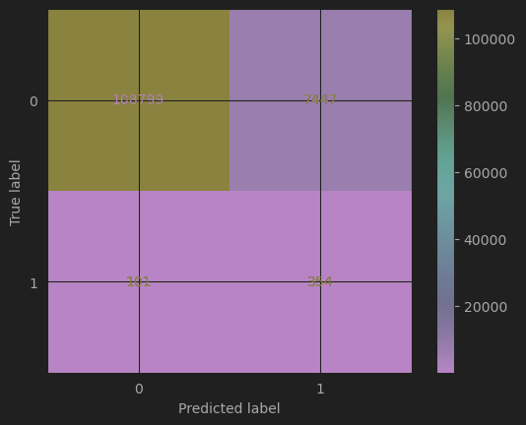
Trail 3 |  |  |  |  |  |  | Trail 8

SVM
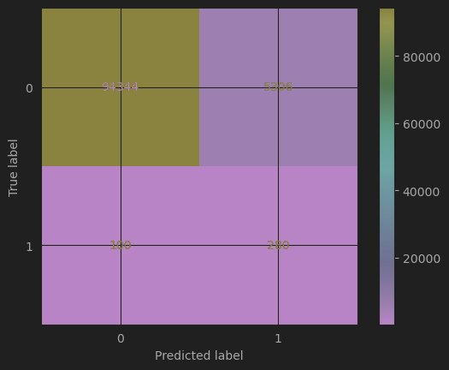

Sampler: | RandomUnderSampler (limited by the calculation power)
Trail # | C (lambda) | kernel (trans) | train accuracy | train precision | train recall | train loss | val accuracy | val precision | val recall | val loss
1 | 1 | rbf | 0.865 | 0.973 | 0.750 | 4.876 | 0.979 | 0.119 | 0.708 | 0.760
2 | 10 | rbf | 0.877 | 0.983 | 0.877 | 4.421 | 0.970 | 0.086 | 0.721 | 1.081
3 | 0.1 | rbf | 0.857 | 0.955 | 0.750 | 5.144 | 0.968 | 0.080 | 0.705 | 1.145
4 | 1 | linear | 0.850 | 0.932 | 0.756 | 5.389 | 0.950 | 0.053 | 0.721 | 1.789
5 | 10 | linear | 0.851 | 0.932 | 0.757 | 5.377 | 0.950 | 0.053 | 0.721 | 1.789
6 | 0.1 | linear | 0.850 | 0.932 | 0.756 | 5.389 | 0.951 | 0.054 | 0.721 | 1.775
7 | 0.1 | poly | 0.753 | 0.967 | 0.525 | 8.888 | 0.983 | 0.118 | 0.521 | 0.597 | best!
8 | 0.5 | poly | 0.830 | 0.953 | 0.694 | 6.124 | 0.966 | 0.071 | 0.666 | 1.234
9 | 1 | poly | 0.850 | 0.952 | 0.737 | 5.424 | 0.958 | 0.062 | 0.705 | 1.503
10 | 5 | poly | 0.864 | 0.953 | 0.766 | 4.899 | 0.949 | 0.052 | 0.721 | 1.839
11 | 10 | poly | 0.864 | 0.951 | 0.768 | 4.899 | 0.948 | 0.051 | 0.726 | 1.890 | best val recall
12 | 50 | poly | 0.864 | 0.951 | 0.767 | 4.911 | 0.946 | 0.050 | 0.737 | 1.948 | best val recall
weights are available when the kernel is the linear kernel, and the result is:
C=1 | [[-0.05810359 1.15084345 -0.06747387 -0.03587303 -0.08085672 -0.0850836 0.01024108 -0.01242541]]
C=10 | [[-0.05769426 1.15166774 -0.06728525 -0.03607703 -0.08080762 -0.08497739 0.00982834 -0.01267684]]
C=0.1 | [[-0.05892144 1.14476186 -0.06739244 -0.0357142 -0.07963306 -0.08565989 0.00992242 -0.01270785]]

Trail 12 |  |  |  |  |  |  | Trail 9

nn
Sampler: | SMOTE
Trail # | C (lambda) | transformation | regularization | train accuracy | train precision | train recall | train loss | val accuracy | val precision | val recall | val loss
1 | 0 | non | non | 0.978 | 0.987 | 0.970 | 0.055 | 0.986 | 0.193 | 0.826 | 0.045
2 | 0.001 | non | l2 | 0.970 | 0.966 | 0.973 | 0.116 | 0.964 | 0.090 | 0.901 | 0.129
3 | 0.005 |  | l2 | 0.947 | 0.962 | 0.931 | 0.178 | 0.963 | 0.087 | 0.895 | 0.169
4 | 0.1 | non | l2 | 0.855 | 0.953 | 0.747 | 0.373 | 0.963 | 0.076 | 0.763 | 0.273
5 | 0.5 |  | l2 | 0.837 | 0.898 | 0.761 | 0.437 | 0.914 | 0.035 | 0.785 | 0.432
6 | 0.001 | non | l1 | 0.941 | 0.937 | 0.946 | 0.188 | 0.935 | 0.054 | 0.956 | 0.219 | best
7 | 0.01 (0.1 caused err) | non | l1 | 0.854 | 0.941 | 0.756 | 0.391 | 0.952 | 0.060 | 0.769 | 0.370
8 | 0 | poly, 2 dgr | non | 0.993 | 0.989 | 0.996 | 0.024 | 0.987 | 0.200 | 0.774 | 0.052 | best of best! | accuracy
9 | 0.001 | poly, 2 dgr | l2 | 0.977 | 0.967 | 0.986 | 0.097 | 0.966 | 0.091 | 0.870 | 0.122
10 | 0.1 | poly, 2 dgr | l2 | 0.888 | 0.939 | 0.831 | 0.303 | 0.946 | 0.056 | 0.809 | 0.258
11 | 0.001 | poly, 2 dgr | l1 | 0.961 | 0.968 | 0.955 | 0.156 | 0.967 | 0.095 | 0.870 | 0.144
12 | 0.01 (0.1 caused err) | poly, 2 dgr | l1 | 0.857 | 0.856 | 0.859 | 0.329 | 0.856 | 0.023 | 0.846 | 0.360

Conclusion: The best configuration for neural network is the degree-2 polynomial transformed feature set with no regularization, which has a validation accuracy of 98.7%. To choose a best way to predict among the three types of models and different transformation and regularization, it is obvious to choose the configuration of the 6th trail of neural network. However, consider the high computational complexity of neural networks, SVM has a much lower computational complexity and running time, while it also has a very good result of 98.34% with configuration 9. Thus, for those whose computers are not able to train nn, SVM with configuration 9 is also a good choice (one advantage of SVM is that it took a much smaller train set because of the undersampler algo and had a nice result).

Trail 4 |  |  |  |  | Trail 6 |  |  |  |  | (also the best choice among the 3 models)
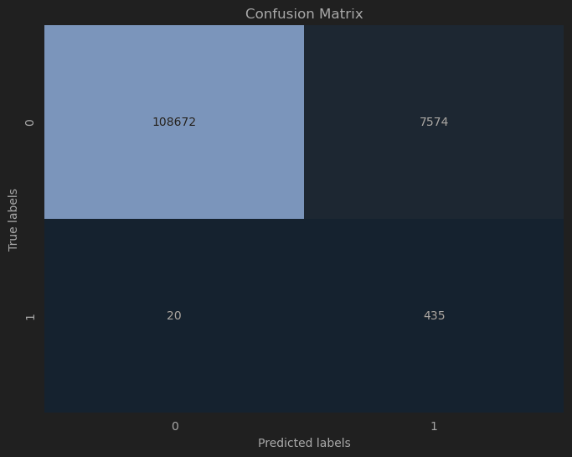


 |  |  |  |  |  |  | Best Accuracy

 |  |  |  |  |  |  | Best Recall

misc
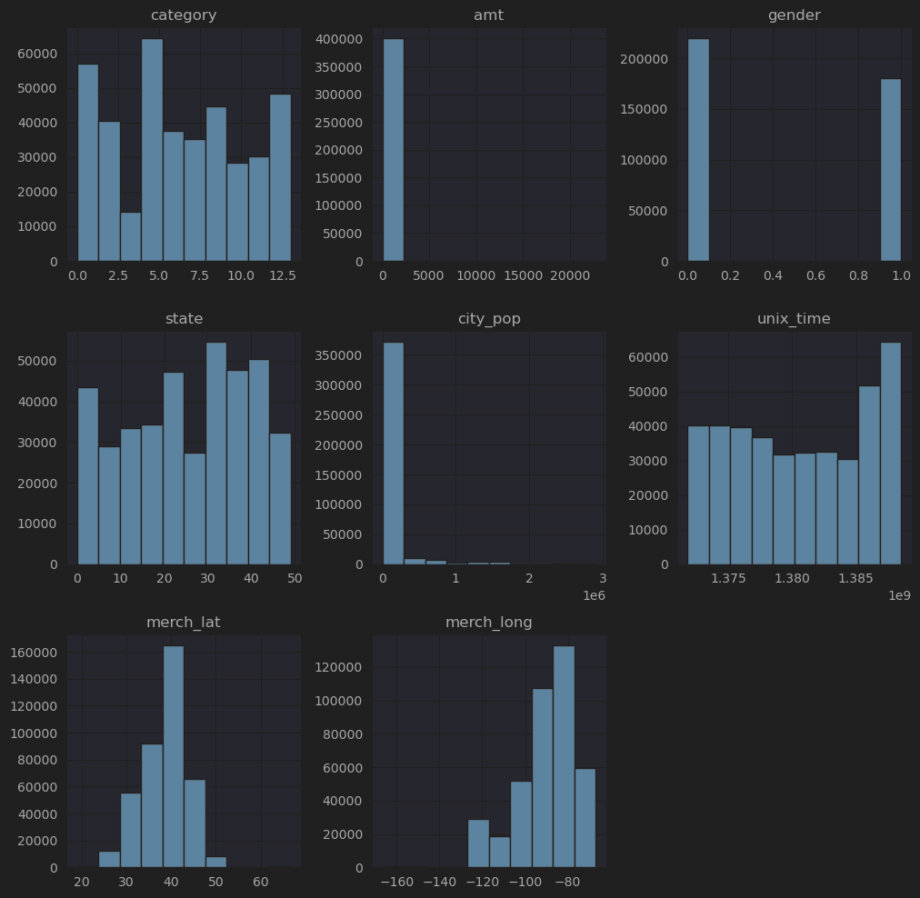
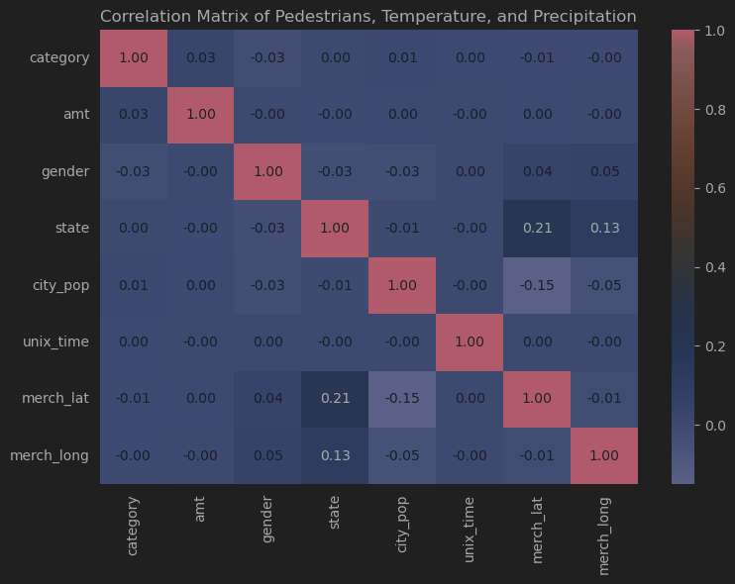
Heat_0 |  | 0 1 distr geo

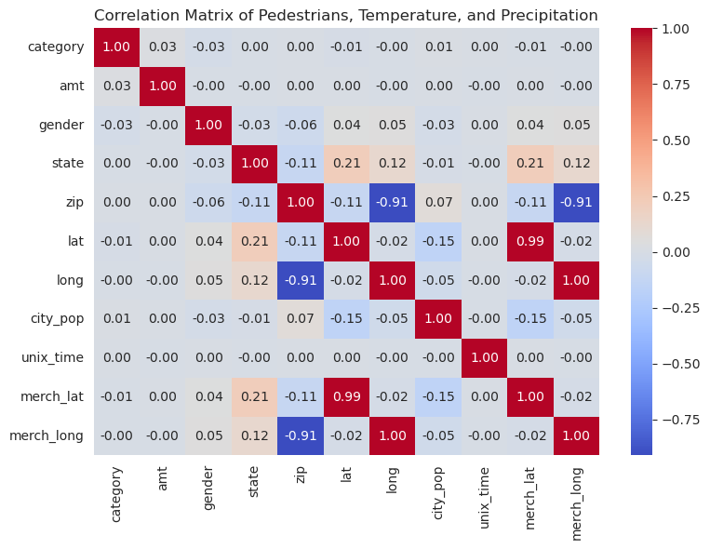
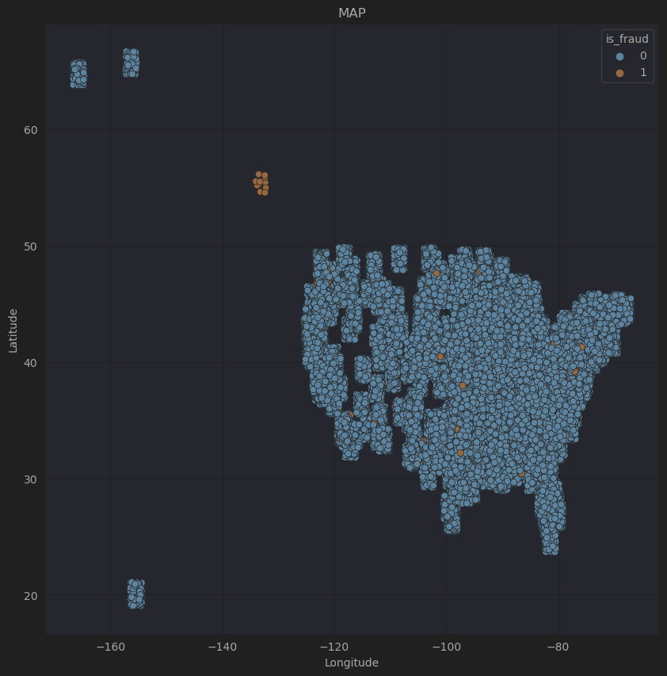

link: | https://github.com/Heterohabilis/CS-UY_4563-Final-Project-Repo

feature |  |  | heat_1

